ORDERSTATUSANALYSIS
Order Status Distribution

SUMMARY TABLE
PRODUCT ANALYSIS |  | MARKETING ANALYSIS
Products | Total Revenue | Referral Source | Total Revenue
Chair | $195,620.11 | Instagram | $275,285.45
Printer | $195,612.61 | Email | $261,808.55
Total Revenue vs. Referral Source
Laptop | $192,126.56 | Google | $250,441.48
Tablet | $186,568.95 | Facebook | $250,410.90
Monitor | $175,651.41 | Referral | $226,815.58
Desk | $167,459.93
Phone | $151,722.39

COUPON ANALYSIS |  | CUSTOMER ANALYSIS
COUPON CODE | TOTAL ORDER | Customer ID | Total Spend
FREESHIP | 313 | C38840 | $5,723.23
Top 10 Customers by Revenue
SAVE10 | 286 | C57276 | $3,456.40
WINTER15 | 292 | C67260 | $3,390.80
 |  | C13877 | $3,384.90
 |  | C18404 | $3,370.20
 |  | C16775 | $3,353.75
 |  | C65986 | $3,352.40
 |  | C47778 | $3,334.00
 |  | C59183 | $3,322.55
 |  | C25276 | $3,313.90

DASHBOARD
SALES DASHBOARD

Total Revenue | Total Orders | Total Number | of Customers | Average Order Value | Total Items Sold
$1,264,761.96 | 1200 | 1189 |  | $1,053.97 | 3535

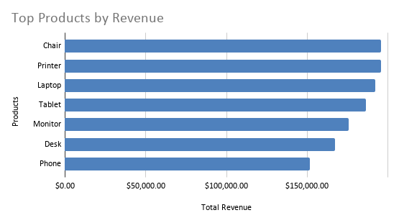
Total Revenue by Referral Source
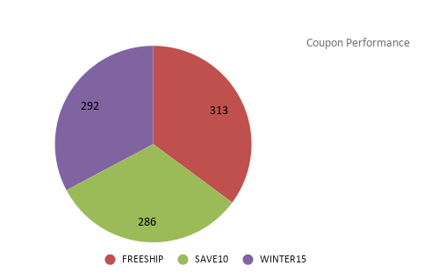

Order Status Distribution
Top 10 Customers by Revenue

